Medical Center
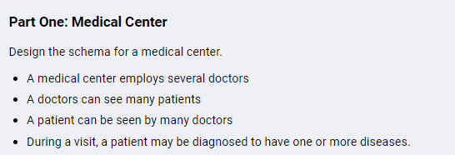

patients |  |  |  |  | doctor
id | name | insurance | patient's info | … | id | name | doctor's info | …

diseases |  |  |  |  | visited_result
id | name | description |  |  | id | visited_id | diseases_id | note | date

visited
id | paitents_id | doctor_id | note | date

Soccer League
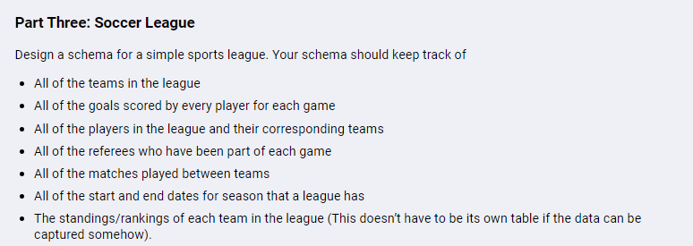

team |  |  |  | player |  |  |  |  |  | referee |  | season
id | name | team's info | … | id | name | team_id | player's info | … |  | id | name | id | start date | end date

goal_scored |  |  |  | match_game |  |  |  |  |  |  |  | result
id | player_id | match_game_id | score | id | team1_id | team2_id | referee_id | seasion_id | date | … |  | id | team_id | result

